Sheet1
 |  |  | Notes: |  | Data obtained from Josh's dissertation, originally in mm. Converted to inches for consistency
 |  |  |  |  | Two cords per torus, each at plus-minus 60 degrees. See figure from Andy's dissertation

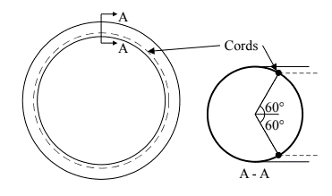
Torus Parameters
Designation | Nominal Braid Angle [deg] | Minor radius [in] | Major radius [in] | Inflation Pressure [psi] | Cone Angle [deg] | Cord Angle [deg]
HET 005-4 | 71 | 6.7 | 70 | 15 | 60 | 60
HET 005-3 | 71 | 6.7 | 74.4 | 15 | 60 | 60

